MM1
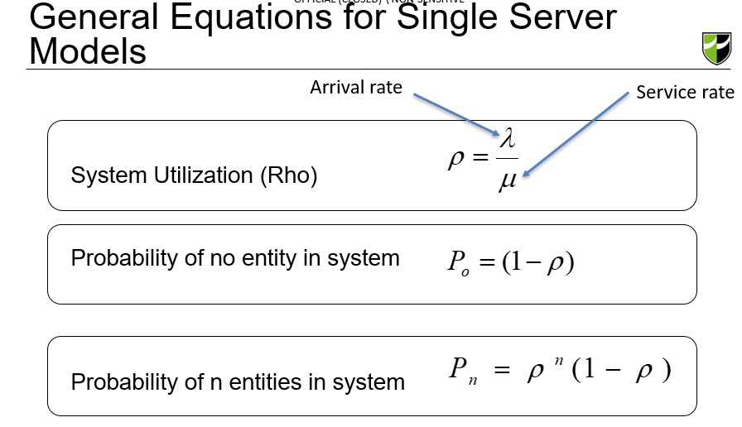
Assume service times are exponentially distributed.

M/M/1

Arrival Rate, λ | 1.050 | per minute | =63/60

Service Rate, μ | 1.250 | per minute | =60/48

System Utilization, ρ | 0.840

Probability of no customers, P0 | 0.160

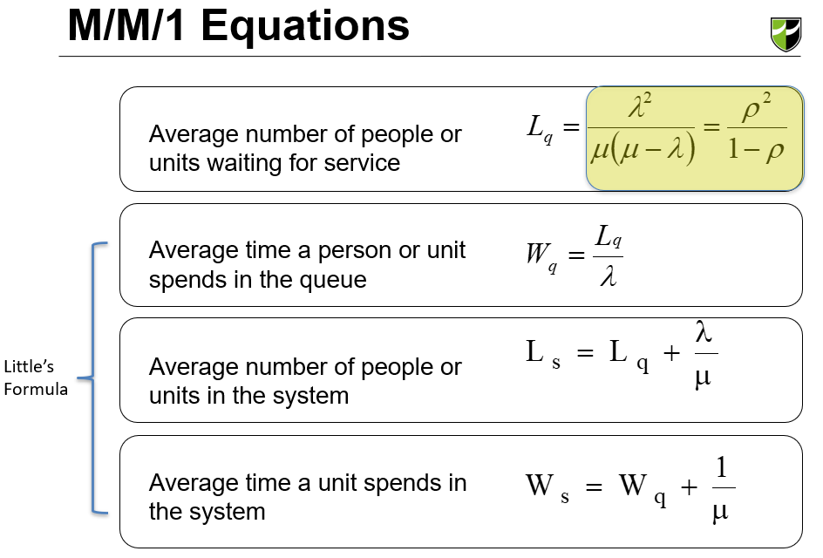
Average number in queue, Lq | 4.410 |  | Length # of people

Average time in queue, Wq | 4.200 | minutes | Waiting time

Average number in system, Ls | 5.250 |  | No of people in a system

Average time in system, Ws | 5.000 | minutes

Queuing Model | M/M/1 | M/G/1
Average Arrival Rate | 1.1 | 1.1
Average Service Rate | 1.3 | 1.3
Standard Deviation of Service Times | 2 | 1
Utilization | 0.8 | 0.8
Queue Length, Lq | 4.4 | #REF!
Number in System, Ls | 5.3 | #REF!
Queuing Time, Wq | 4.2 | #REF!
Time in System, Ws | 5.0 | #REF!

MG1
Assume service times follow a general distribution and std dev of 0.5 min.

M/G/1

Arrival Rate, λ | 1.050 | per minute | =63/60

Service Rate, μ | 1.250 | per minute | =60/48

Standard deviation of service times, σ | 0.500 | minute

System Utilization, ρ | 0.840
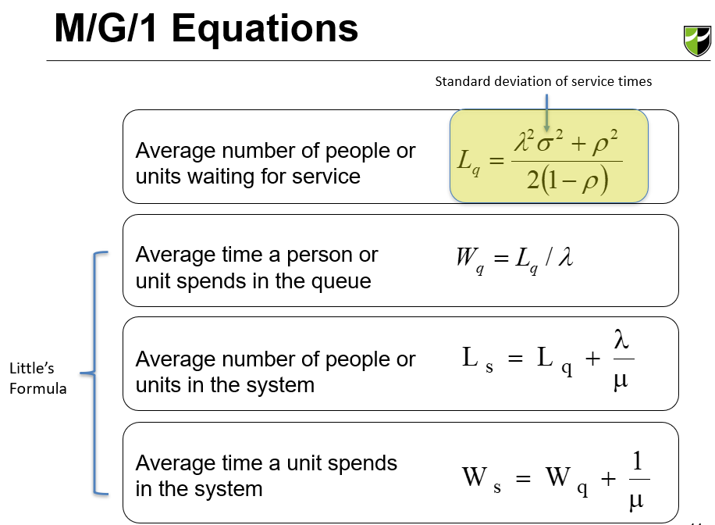
Probability of no customers, P0 | 0.160

Average number in queue, Lq | 3.066 |  | Length # of people

Average time in queue, Wq | 2.920 | minutes | Waiting time

Average number in system, Ls | 3.906 |  | No of people in a system

Average time in system, Ws | 3.720 | minutes

Queuing Model | M/M/1 | M/G/1
Average Arrival Rate | 1.1 | 1.1
Average Service Rate | 1.3 | 1.3
Standard Deviation of Service Times | 2 | 1
Utilization | 0.8 | 0.8
Queue Length, Lq | 3.1 | #REF!
Number in System, Ls | 3.9 | #REF!
Queuing Time, Wq | 2.9 | #REF!
Time in System, Ws | 3.7 | #REF!

MD1
Assume service times are constant.

M/D/1

Arrival Rate, λ | 1.050 | per minute | =63/60

Service Rate, μ | 1.250 | per minute | =60/48

System Utilization, ρ | 0.840

Probability of no customers, P0 | 0.160
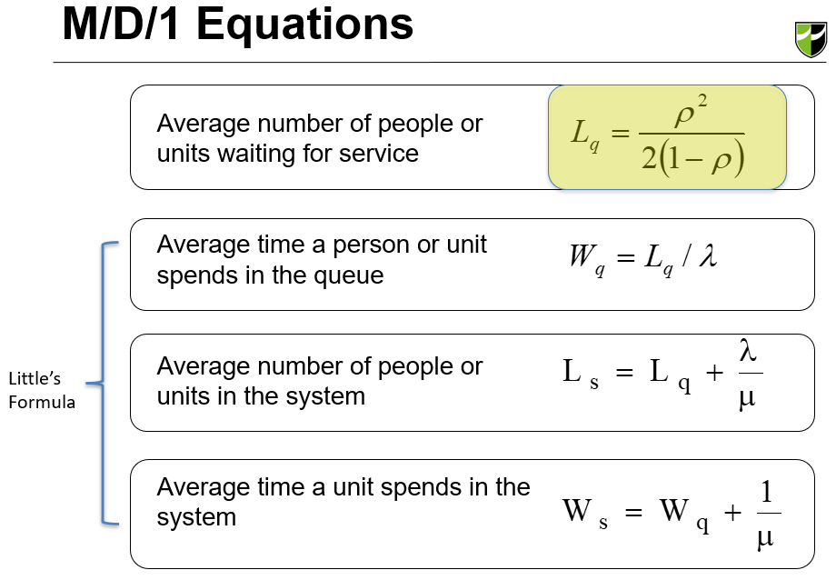
Average number in queue, Lq | 2.205 |  | Length # of people

Average time in queue, Wq | 2.100 | minutes | Waiting time

Average number in system, Ls | 3.045 |  | No of people in a system

Average time in system, Ws | 2.900 | minutes

Queuing Model | M/M/1 | M/G/1
Average Arrival Rate | 1.1 | 1.1
Average Service Rate | 1.3 | 1.3
Standard Deviation of Service Times | 2 | 1
Utilization | 0.8 | 0.8
Queue Length, Lq | 2.2 | #REF!
Number in System, Ls | 3.0 | #REF!
Queuing Time, Wq | 2.1 | #REF!
Time in System, Ws | 2.9 | #REF!

MMk
 |  |  |  |  |  | 0.62550981308
 |  |  |  |  |  | 0.19389113844
 |  |  |  |  |  | 0.18059904847
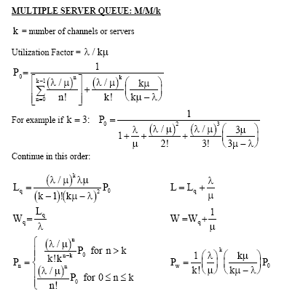
M/M/k |  |  |  | No. of customers in system, n |  | Probability of n customers in system, Pn
Arrival rate | λ | 2.000 | per minute

Service rate | μ | 0.2000 | per minute | 0 | 1 | 3.5876279743E-05 | 0.66779842468
 |  |  |  | 1 | 10 | 0.00035876279743 | 0.55649868724
No. of servers | k | 12 |  | 2 | 50 | 0.0017938139872 | 0.46374890603
 |  |  |  | 3 | 166.66666667 | 0.0059793799572 | 0.38645742169
Utilisation | ρ | 0.8333 |  | 4 | 416.66666667 | 0.014948449893 | 0.32204785141
 |  |  |  | 5 | 833.33333333 | 0.029896899786 | 0.26837320951
Prob (no customers) | P0 | 3.59E-05 |  | 6 | 1388.8888889 | 0.04982816631 | 0.22364434126
 |  |  |  | 7 | 1984.1269841 | 0.071183094729 | 0.18637028438
No. of customers in queue | Lq | 2.2469411215 |  | 8 | 2480.1587302 | 0.088978868411 | 0.15530857032
 |  |  |  | 9 | 2755.7319224 | 0.098865409346 | 0.1294238086
No. of customers in system | Ls | 12.246941121 |  | 10 | 2755.7319224 | 0.098865409346 | 0.10785317383
 |  |  |  | 11 | 2505.2108385 | 0.08987764486 | 0.08987764486
Waiting time in queue | Wq | 1.1234705607 | minutes | 12 | 2087.6756988 | 0.074898037383 | 0.074898037383
 |  |  |  | 13 | 1605.9043837 | 0.05761387491 | 0.062415031153
Time in system | Ws | 6.1234705607 | minutes | 14 | 1147.0745598 | 0.041152767793 | 0.05201252596
 |  |  |  | 15 | 764.71637318 | 0.027435178529 | 0.043343771634
 |  |  |  | 16 | 477.94773324 | 0.01714698658 | 0.036119809695
k - 1 = | 11 |  | 15347.52 | 17 | 281.14572543 | 0.010086462694 | 0.030099841412
 |  |  |  | 18 | 156.19206969 | 0.0056035903857 | 0.025083201177
 |  |  |  | 19 | 82.206352466 | 0.0029492580978 | 0.020902667647
 |  |  |  | 20 | 41.103176233 | 0.0014746290489 | 0.017418889706
 |  |  | 2087.68 | 21 | 19.572941063 | 0.00070220430899 | 0.014515741422
 |  |  |  | 22 | 8.8967913925 | 0.00031918377681 | 0.012096451185
 |  |  |  | 23 | 3.8681701706 | 0.00013877555514 | 0.010080375987
 |  |  |  | 24 | 1.6117375711 | 5.7823147973E-05 | 0.0084003133228
 |  |  | 6.00 | 25 | 0.64469502844 | 2.3129259189E-05 | 0.0070002611023

